Sheet1
Manchester & Salford Lifeboat Keel bolts |  |  |  | Bolts all replaced 2004 Boat Launched again:

error Bolt Numbers | Bolt Numbers | Diameter | hole | Finished length (MM) | Comment | Bolt type | Thread length
1 | 1 | 0.75 | 385 | 420 | 40% head and badly corroded shank near nut | A | 50
2 | 2 | 0.75 | 385 | 420 | 30% head and badly corroded shank near nut | A | 50
3 | 3 | 0.75 | 380 | 415 | 15% head | A | 50
4* | 4 | 0.75 | 380 | 415 | 90% head | A | 50
5* | 5 | 0.625 | 390 | 418 | 75% head | A | 45
6 | 6 | 0.625 | 375 | 403 | 5% head and badly corroded | A | 45
7 | 7 | 0.625 | 375 | 403 | 5% head and badly corroded | A | 45
8 | 8 | 0.625 | 370 | 398 | 5% head | A | 45
9 | 9 | 0.625 | 370 | 398 | 90% head quite good for age | A | 45
10* | 10 | 0.625 | 370 | 398 | 75% head | A | 45
11 | 11 | 0.625 | 370 | 398 | 60% head | A | 45
12 | 12 | 0.625 | 365 | 393 | 10% head | A | 45
13 | 13 | 0.625 | 365 | 393 | no head | A | 45
14 | 14 | 0.625 | 360 | 388 | 10% head | A | 45
15 | 15 | 0.625 | 360 | 388 | 50% head | A | 45
16 | 16 | 0.75 | 355 | 390 | 10% head | A | 50
17* | 17 | 0.75 | 350 | 385 | 90% head | A | 50
18 | 18 | 0.75 | 345 | 380 | 20% head | A | 50
19 | 19 | 0.75 | 345 | 380 | no head | A | 50
20 | 20 | 0.75 | 345 | 380 | no head | A | 50
21 | 21 | 0.75 | 340 | 375 | no head | A | 50
22 | 22 | 0.75 | 340 | 375 | no head | A | 50
23 | 23 | 0.75 | 340 | 375 | 50 % head | A | 50
24' * | 24 | 0.75 | 340 | 375 | 85% head | A | 50
24 | 25 | 0.75 | 370 | 405 | no head | A | 50
25 | 26 | 0.75 | 415 | 450 | no head | A | 50
26 | 27 | 0.75 | 465 | 500 | no head and very difficult to extract (parted) | A | 50
27 | 28 | 0.75 | 250 | 310.5 | 80% head & bolts intact (pockets cut in keel side deadwood) | B | 40
28 | 29 | 0.75 | 245 | 305.5 | 80% head & bolts intact (pockets cut in keel side deadwood) | B | 40
29 | 30 | 0.75 | 237 | 297.5 | 80% head & bolts intact (pockets cut in keel side deadwood) | B | 40
30 | 31 | 0.75 | 234 | 294.5 | 80% head & bolts intact (pockets cut in keel side deadwood) | B | 40
31 | 32 | 0.75 | 231 | 291.5 | 80% head & bolts intact (pockets cut in keel side deadwood) | B | 40
32 | 33 | 0.75 | 228 | 288.5 | 80% head & bolts intact (pockets cut in keel side deadwood) | B | 40

 |  |  |  |  |  |  |  |  | Blind bolts / cut keel pockets
 |  |  |  | Centre board area |  |  |  |  | Type B
 |  |  |  |  |  | 23 24' 24
 |  | 2 | 3 5 | 7 9 11 13 15

Bow
 |  |  |  |  |  |  |  |  | 28 29 30 31 32 33 34
 |  | 1 | 4 | 6 8 10 12 14
 |  |  |  |  | 16 17 18 19 20 21 22 |  | 25 | 26

Note: Threads to be Whitworth 3/4 & 5/8 as indicated above
* 'ed bolts are potential samples
 |  | Type A 5/8" bolts |  |  | Type A 3/4" bolts

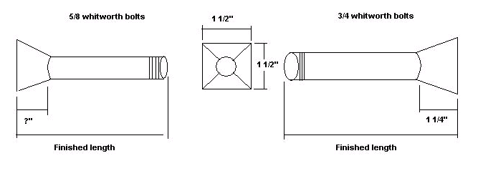

20mm
 | Type B 3/4" bolts
 |  | Head details |  |  | Bolt shank details
3/4" whithworth threads

38 mm

20mm

 |  |  |  | angle corners for welding

Mill slot 5mm wide by |  |  | Drill and Tap 3/4" Whitworth
4mm deep after welding
head to shank

 |  |  |  |  | all parts will be galvanized, so allow for this clearance on drilled holes
60 mm
12mm thick plate

3/4 " clearance
 |  |  |  | round all corners
60 mm

